Performance Evaluation
This tab is: | REQUIRED
Instructions for completion of this tab are identified within each cell. Please use your annual contracts (PY23, PY24, PY25) for the data on this tab. You do NOT need to include supplemental type contracts in this evaluation.

Historic Performance Evaluation |  |  |  |  | CEAP Performance Evaluation Data Analysis
 | PY23 | PY24 | PY25 |  | Program Year | PY26 | Contract Term | Jan 1 - Dec 31
Direct Client Services Budget |  |  |  |  | Weeks Left in Program Year | 46 | Avg CEAP caseworkers | #DIV/0!
Cumulative Unduplicated Households Served |  |  |  |  | Est Direct Client Service Budget | #DIV/0! | Avg Annual Unduplicated Households Served | #DIV/0!
Average Household Expenditure | #DIV/0! | #DIV/0! | #DIV/0! |  | Average HH Expenditure | #DIV/0! | Est % of CEAP Denials
Number of CEAP caseworkers employed |  |  |  |  | Est # of Applications to Complete | #DIV/0! | Est Files to be Completed/Week | 0
Benchmark Checkpoints |  |  |  |  | Est Files to be Completed per day | 0.0 | Est Files to be Completed/ Day/Caseworker | 0.0
Direct Service Expenditures & Customer Obligations as of APRIL Expenditure Report (submitted May 15) |  |  |  |  | Disclaimer: This spreadsheet provides a quick analysis of data. There are countless situations that each Subrecipient can be in, regarding the CEAP program,that this spreadsheet does not include, like the % of denied files, or encumbered UA payments for upcoming months. It is the responsibility of the Subrecipient to stay aware of the expenditure levels in this program, analyze it, and then act accordingly with the end goal of full and allowable contract program expenditures by contract end date. This spreadsheet is simply another tool Subrecipients can use to try and understand what is left to do for the current program year.
% Expended | #DIV/0! | #DIV/0! | #DIV/0!
30% or greater? | #DIV/0! | #DIV/0! | #DIV/0! | 0

Direct Service Expenditures & Customer Obligations as of JUNE Expenditure Report (submitted July 15)
% Expended | #DIV/0! | #DIV/0! | #DIV/0!
50% or greater? | #DIV/0! | #DIV/0! | #DIV/0! | 0

Direct Service Expenditures & Customer Obligations as of DECEMBER Expenditure Report (submitted January 15)
% Expended | #DIV/0! | #DIV/0! | #DIV/0!
Should be 100% expended | #DIV/0! | #DIV/0! | #DIV/0! | 0
Obligation % determinations per TAC 6.304
Required Expenditure Benchmarks met for last 3 years? | 0.00%
Required Expenditure Benchmarks met at end of contract term, for last 3 years? | 0.00% | 0
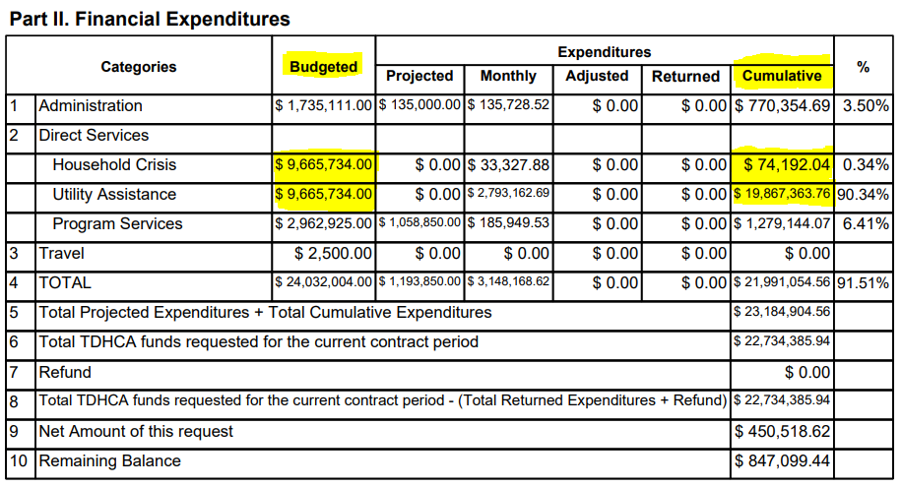

NOTE: If you have fully expended 2 out of the last 3 years based on this tab, the remaining tabs are OPTIONAL.

