Option 1 - Calc.
Approx Home Square Footage = complete square footage of home. Approx Ventable Attic Square Footage = square footage of ventable attic floor, i.e. attic area with airspace between roof decking and attic floor. • Keep in mind that vaulted or cathedral ceiling areas need to be taken into consideration when identifying the ventable attic square footage • Shared attic space over garage should be included
Client Name |  |  |  |  | Approx Home Square Footage
Job # |  |  |  |  | Approx Ventable Attic Square Footage

Existing Ventilation Per Whole House Assessment Form
Length In | Width In | Quantity | Total Vent Sq Ft | Existing Vent Mesh | Air Restriction Factor | Vent Free Net Area
 |  |  | 0.00 |  | 0.56 | 0.00 | High
 |  |  | 0.00 |  | 0.56 | 0.00 | High
 |  |  | 0.00 |  | 0.56 | 0.00 | High
 |  |  | 0.00 |  | 0.56 | 0.00 | High
 |  |  | 0.00 |  | 0.56 | 0.00 | High
Total Existing Vent Area (High)= Auto Calculation to show the home/unit(s) existing high ventilation, if applicable. Total Existing Vent Area (Low)= Auto Calculation to show the home/unit(s) existing low ventilation, if applicable.
 |  |  | 0.00 |  | 0.56 | 0.00 | High
 |  |  | 0.00 |  | 0.56 | 0.00 | Low
 |  |  | 0.00 |  | 0.56 | 0.00 | Low
 |  |  | 0.00 |  | 0.56 | 0.00 | Low
 |  |  | 0.00 |  | 0.56 | 0.00 | Low
Total Existing Vent Area (High) |  |  |  |  |  | 0.00
Total Existing Vent Area (Low) |  |  |  |  |  | 0.00
Guidance to answering "No" or "Yes" No= The home/unit will only have High Ventilation OR will not have High & Low Ventilation split 50/50 at completion. Will utilize 1/150 section to determine total ventilation needed for compliance Yes= The home/unit will have High & Low Ventilation split 50/50 at completion. Will utilize 1/300 section to determine amount of High & Low Ventilation needed for compliance
At the completion of the project, will the venting be approximately split 50/50 between high and low (lower 40% of attic space) venting? |  |  |  |  | No

Total Ventilation needed for compliance (1/150) |  |  |  |  | 0.00

Total High Ventilation needed for 50/50 compliance (1/300 Exception) |  |  |  |  | N/A
Total Low Ventilation needed for 50/50 compliance (1/300 Exception) |  |  |  |  | N/A

Amount of Ventilation Needed for Compliance Will display amount of ventilation needed for compliance based on the No/Yes selection from above.
Input the size of the venting the Subrecipient is planning to add to ensure proper ventilation
Ventilation to Add
Length In | Width In | Quantity | Total Vent Sq Ft | Existing Vent Mesh | Air Restriction Factor | Vent Free Net Area
 |  |  | 0.00 |  | 0.56 | 0.00 | High
 |  |  | 0.00 |  | 0.56 | 0.00 | High
 |  |  | 0.00 |  | 0.56 | 0.00 | High
 |  |  | 0.00 |  | 0.56 | 0.00 | Low
 |  |  | 0.00 |  | 0.56 | 0.00 | Low
 |  |  | 0.00 |  | 0.56 | 0.00 | Low

Compliance answers If any of these numbers are "No" the home/unit will need additional ventilation.
Will the installed Total Ventilation meet current code requirements (1/150) |  |  |  |  |  | Yes

Will the installed High Ventilation meet current 50/50 code requirements (1/300) |  |  |  |  |  | N/A
Will the installed Low Ventilation meet current 50/50 code requirements (1/300) |  |  |  |  |  | N/A
2015 IRC R806.2

Remaining/Needed Ventilation Calculator •If values are negative additional ventilation is needed for compliance.
Remaining/Needed Ventilation Calculator

Remaining total ventilation needed for compliance 1/150 |  |  |  |  |  | 0.00

Remaining total ventilation needed for compliance 1/300 Exception |  |  |  |  |  | N/A

Remaining total ventilation needed for compliance 1/150 Exception |  |  |  |  |  | N/A

Code Requirements
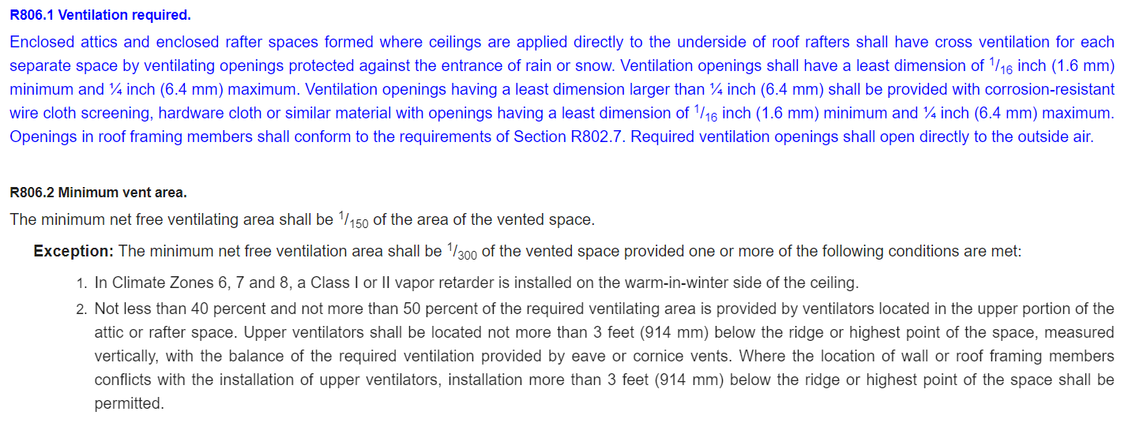

NREL Standard Work Specifications
Attic Ventilation SWS

50-50 Determination
50/50 Determination- Example
Physically impossible to install low ventilation due to limited/non existent soffit clearance.

Sub would answer "No" within the Calc for 50/50 high/low determination at completion.

1/150 code requirements would come into play as Low venting could not be installed.

 | Note: Best Practice would be to install added ventilation "High", i.e. within 3' of ridge.

Low Ventilation could be added as soffit has adequate clearance to install.

Sub could answer either based off low ventilation that will be present at completion:

 |  | Note: Best Practice would be to install the added ventilation 50/50 & utilize "Yes" green path below.

"No" if existing hight & low ventilation would not both be 50% of the unit(s) total ventilation at completion.
"Yes" if existing or added high & low ventilation would both be 50% of the unit(s) total ventilation at completion.

"High"or "Low" Ventilation could be installed for this project. And 1/150 code requirements would come into play.
Install "High"and/or "Low" ventilation as guided by the Calc. for this project. And 1/300 code requirements would come into play.

Types of Venting
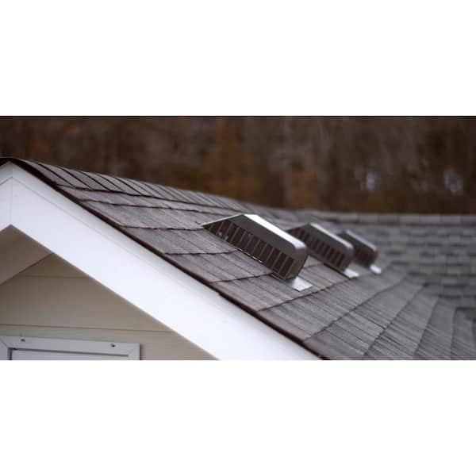
Static Roof Vent- High Ventilation Example (must be within 3' of the highest point in the ventilated space)
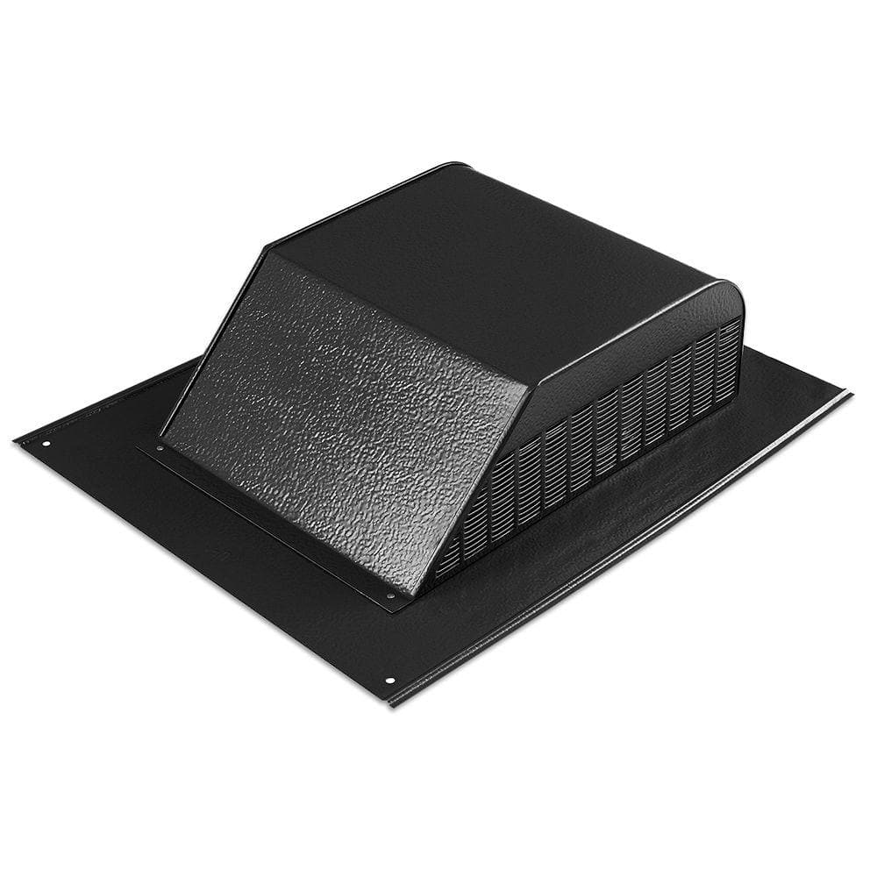

Calculation Example- Input QC Product Specifications: Net Free (Sq. In.) = 60 To find Vent Free (Sq. Ft.) = 60/144 = .42 Adjust Length & Width in Calc. until you get 0.42 11 x 12.5= 0.42 then adjust quanity to meet current code.

Roof Turbines- High Ventilation Example | Ridge Vents- High Ventilation Example
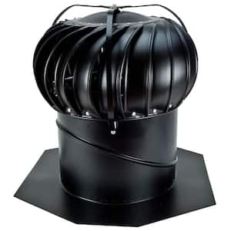
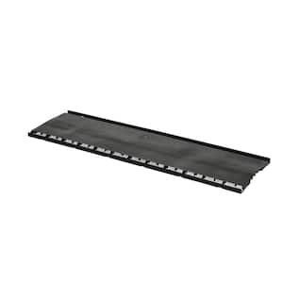
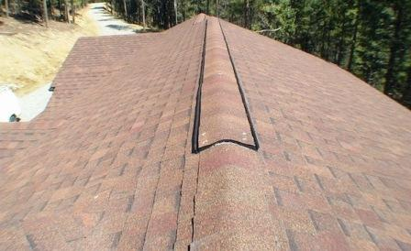

Gable Vents- High Ventilation Examples
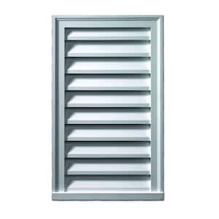
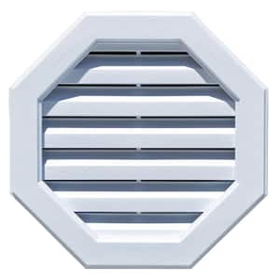
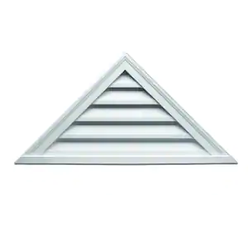

Soffit Vents- Low Ventilation Examples |  | Continuous Soffit Eave Vents- Low Ventilation Examples
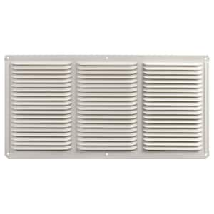
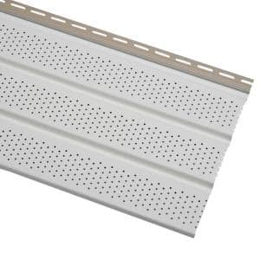

Powered Vents- Can't Count Ventilation Rates
SWS. 4.0188.2b Vent Selection "Install only passive ventilation, no powered ventilators may be installed"

